listing
1) ENGLISH ITEM NAME (ex : OOOO machine) | 2)中文名称 | 3) MANUFACTUROR (ex : OOO company) | 4) MODEL NO (ex : abc-123) | 5)Serial number | 6)CN hs code | 7)VN hs code | 8)Material | 9) VOLTAGE (ex : 220V) | 10) CAPACITY (ex :1200KW) | 11) Manufacture date (yyyy-mm-dd) | 12) ORIGIN | 13) NEW or USED | 14) PICTURE (BEFORE PACKING) | 15) PICTURE (NAME PLATE or label) | 16)Quantity | 17)cost(RMB 13%VAT) | 18)cost(USD) | 19)Total cost(USD) | 20)CARTON NO. | 21)CTN QTY | 22)G.W(KGS) | 23)N.W(KGS) | 24)Package Size(CM) | 25)Part size(CM) | 26)应用范围 | 27)是否带电源
wave soldering Fixture | 过炉治具 | Techsen Electronics(ShenZhen)Co.,Ltd | BOP IT BLUEY (Main board) | BOPBLUMF02-H |  |  | 玻纤板 | / | / | 2026-07-10 | CHINA | NEW | 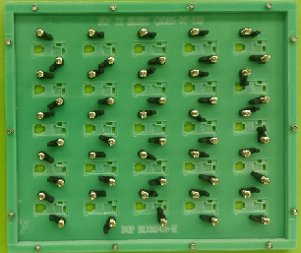 | 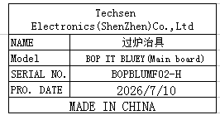 | 8 | 300 |  |  | Z1 | 1 | 11.6 | 10.8 | 35x35x18 | 34x30x2 | wave soldering | NO
wave soldering Fixture | 过炉治具 | Techsen Electronics(ShenZhen)Co.,Ltd | BOPIT (Main board) | BOPITMF04A-H |  |  | 玻纤板 | / | / | 2026-07-10 | CHINA | NEW | 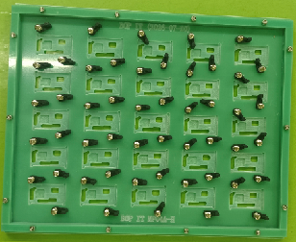 | 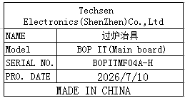 | 8 | 300 |  |  | Z2 | 1 | 11.5 | 11 | 32x41x18 | 37x30x2 | wave soldering | NO
wave soldering Fixture | 过炉治具 | Techsen Electronics(ShenZhen)Co.,Ltd | TRAVEL OPERATION (Main board) | TRAOPEF02A-H |  |  | 玻纤板 | / | / | 2026-07-20 | CHINA | NEW | 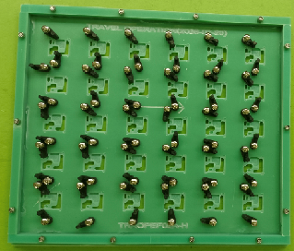 | 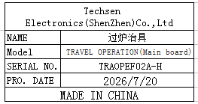 | 8 | 300 |  |  | Z3 | 1 | 11.8 | 11 | 35x35x18 | 34x30x2 | wave soldering | NO

